Bug report for user story2
Defect Report |  | Defect Report |  | Defect Report |  | Defect Report |  | Defect Report

Project Name | BOSTA TESTING TASK | Project Name | BOSTA TESTING TASK | Project Name | BOSTA TESTING TASK | Project Name | BOSTA TESTING TASK | Project Name | BOSTA TESTING TASK
Tester Name | Abdullah Ahmed | Tester Name | Abdullah Ahmed | Tester Name | Abdullah Ahmed | Tester Name | Abdullah Ahmed | Tester Name | Abdullah Ahmed
Date | 23-11-2022 | Date | 23-11-2022 | Date | 23-11-2022 | Date | 23-11-2022 | Date | 23-11-2022
User Story | Add product to cart | User Story | Add product to cart | User Story | Add product to cart | User Story | Add product to cart | User Story | Add product to cart
Test Suit | Adding no product item to cart | Test Suit | Adding no product item to cart | Test Suit | Adding one product item to cart from specific product | Test Suit | Adding one product item to cart from specific product | Test Suit | Adding one product item to cart from specific product
Test ID | TC_001 | Test ID | TC_002 | Test ID | TC_005 | Test ID | TC_006 | Test ID | TC_007
Release | V.1.0 | Release | V.1.0 | Release | V.1.0 | Release | V.1.0 | Release | V.1.0
Title | Unexpected behavior when click purchase button and there no product item in cart page | Title | there no field or lebel to specify any item to add | Title | Unexpected behavior when click purchase button and there one product item in cart page | Title | Unexpected behavior when click purchase button and there one product item in cart page | Title | Unexpected behavior when click Add to cart button.
Description | It happen when Add no product item to cart and purchase and enter valid input reqired for purchase | Description | It happens when select an product then click it and specify number of items to purchase | Description | It happens when Add one product item to cart and purchase and enter invalid input for name and credit card reqired for purchase | Description | It will happens when Add one product item to cart and purchase and enter invalid input for country,city,month and year and valid input for credit card and name reqired for purchase | Description | It will happens when Add one product item to cart without log in
Steps | 1- No select any product item. 2- Go to the cart page. 3- Makesure that no item in cart page. 4- Click the place Order button. 5-Fill the all labels with valid input. 6- Click purchase button | Steps | 1- Select any product and click it. 2- Specify no item from this product. 3- Click the place Order button. | Steps | 1- Select any product and click it. 2- Click "Add to cart Button 3- Go to the cart page. 4- makesure that there is one item in cart page. 5- click the "place Order" button. 6-Fill invalid input for name and credit card labels 7- click purchase button | Steps | 1- Select any product and click it. 2- Click "Add to cart" button. 3-Go to the cart page. 4- Makesure there is one product item in cart page . 5- Click "place Order"button. 6-Fill invalid input for country,city,month and year labels 7-Click purchase button | Steps | 1- select one product item. 2- Click "Add to cart Button
Expected Results | Should show error message"you should add at least one item" | Expected Results | Should show error message"you should specify number of items to add to cart" | Expected Results | Should show this error "you enter invalid input " | Expected Results | Should show this error "you enter invalid input " | Expected Results | Should show this error "you should be logged in to add item "
Actual Result | Message appears which contain "Thank you for purchase" | Actual Result | There no lebel field to speify number of item | Actual Result | show the thank you message | Actual Result | show the thank you message | Actual Result | show "product added"
Environment | Chrome Version 107.0.5304.107 | Environment | Chrome Version 107.0.5304.107 | Environment | Chrome Version 107.0.5304.107 | Environment | Chrome Version 107.0.5304.107 | Environment | Chrome Version 107.0.5304.107
Screenshot / Video | 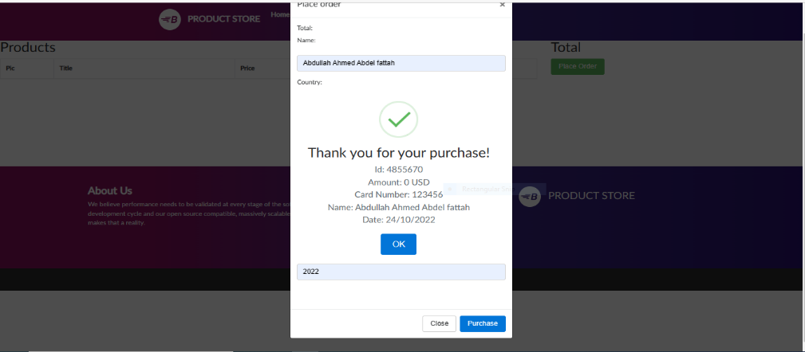 | Screenshot / Video | 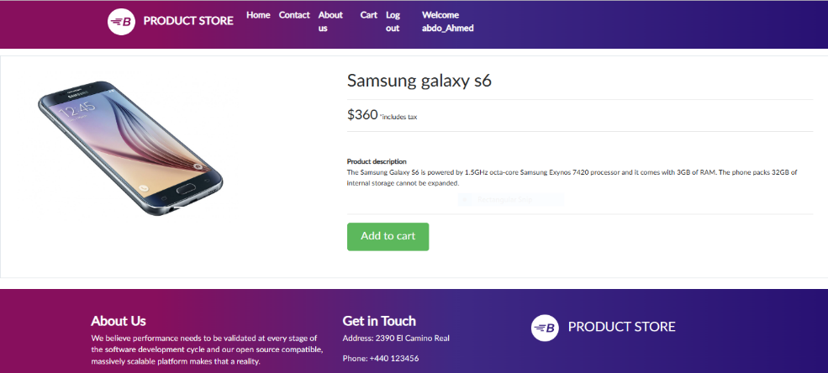 | Screenshot / Video |  | Screenshot / Video | 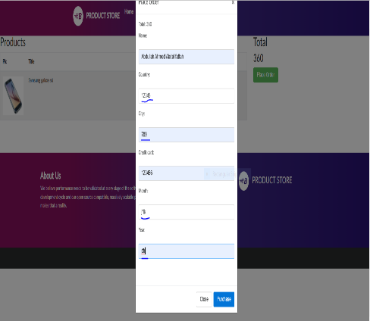 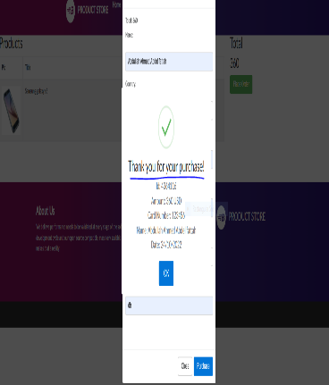 | Screenshot / Video | 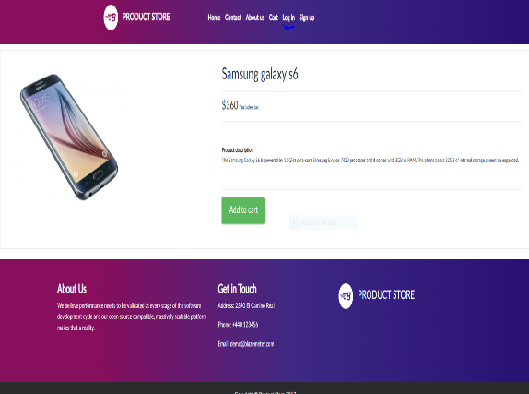 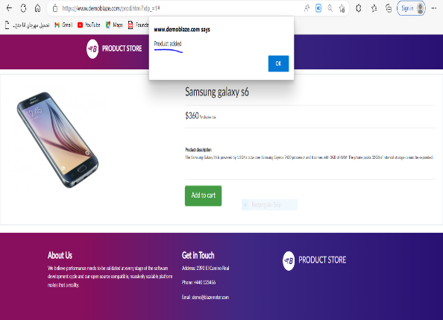
Rate | 2022-05-05 | Rate | 2022-05-05 | Rate | 2022-05-05 | Rate | 2022-05-05 | Rate | 2022-05-05
Priority | A | Priority | B | Priority | A | Priority | A | Priority | A
Status | New | Status | New | Status | New | Status | New | Status | New

Defect Report |  | Defect Report |  | Defect Report

Project Name | BOSTA TESTING TASK | Project Name | BOSTA TESTING TASK | Project Name | BOSTA TESTING TASK
Tester Name | Abdullah Ahmed | Tester Name | Abdullah Ahmed | Tester Name | Abdullah Ahmed
Date | 23-11-2022 | Date | 23-11-2022 | Date | 23-11-2022
User Story | Add product to cart | User Story | Add product to cart | User Story | Add product to cart
Test Suit | Adding more one product items to cart from same product | Test Suit | Adding out of stock product to cart | Test Suit | Checking there is a link in message when click on the add button
Test ID | TC_009 | Test ID | TC_010 | Test ID | TC_013
Release | V.1.0 | Release | V.1.0 | Release | V.1.0
Title | there no labels or field to enter number of items for same product | Title | the expected behaviour for adding out of stock product | Title | There no link in message when click on the add to cart button
Description | It happen when Add more one product items to cart and purchase and enter valid data reqired for purchase | Description | It happens when checking the product is out of stock and the user cannot add it to his cart.. | Description | It happens when Check there is a link in message which contain"Product added" when click on the "Add to cart" button and redirect user to his cart
Steps | 1-Select product then click it. 2-Specify the number of items 3- Click "Add to cart Button 4- Go to the cart page. 5- Makesure tha more one item in cart page. 6- Click the place Order button. 7- Fill the all labels with valid input. 8- Click purchase button | Steps | 1- Select out of stock product item. 2- Click "Add to cart Button | Steps | 1- Select product item from home page. 2- Click "Add to cart Button
Expected Results | Should the selected items appear in the cart page and when purchase show the thank you message | Expected Results | Should show error message"You can not add this product to cart because this product out of stock." | Expected Results | Should message appears and cotain "Product added" and there is a link redirect user to his cart
Actual Result | there no labels or field to enter number of items for same product | Actual Result | there no any thing to Identifies the out of stock product | Actual Result | There is a message but there no link to redirect user to his cart
Environment | Chrome Version 107.0.5304.107 | Environment | Chrome Version 107.0.5304.107 | Environment | Chrome Version 107.0.5304.107
Screenshot / Video |  | Screenshot / Video |  | Screenshot / Video | 
Rate | 2022-05-05 | Rate | 2022-05-05 | Rate | 2022-05-05
Priority | A | Priority | B | Priority | A
Status | New | Status | New | Status | New

Bug report for user stroy3
Defect Report |  | Defect Report |  | Defect Report |  | Defect Report |  | Defect Report

Project Name | BOSTA TESTING TASK | Project Name | BOSTA TESTING TASK | Project Name | BOSTA TESTING TASK | Project Name | BOSTA TESTING TASK | Project Name | BOSTA TESTING TASK
Tester Name | Abdullah Ahmed | Tester Name | Abdullah Ahmed | Tester Name | Abdullah Ahmed | Tester Name | Abdullah Ahmed | Tester Name | Abdullah Ahmed
Date | 23-11-2022 | Date | 23-11-2022 | Date | 23-11-2022 | Date | 23-11-2022 | Date | 23-11-2022
User Story | Contact us | User Story | Contact us | User Story | Contact us | User Story | Contact us | User Story | Contact us
Test Suit | Entering no input in contact alert | Test Suit | Entering input in Contact Email Field | Test Suit | Entering input in Contact Email Field | Test Suit | Entering input in Contact Name Field | Test Suit | Entering input in Contact Name Field
Test ID | TC_014 | Test ID | TC_015 | Test ID | TC_016 | Test ID | TC_017 | Test ID | TC_018
Release | V.1.0 | Release | V.1.0 | Release | V.1.0 | Release | V.1.0 | Release | V.1.0
Title | Unexpected behavior when click send message button | Title | Unexpected behavior when click send message button | Title | Unexpected behavior when click send message button | Title | Unexpected behavior when click send message button | Title | Unexpected behavior when click send message button.
Description | It happen when Does not enter any input in contact Email field , contact Name and message. | Description | It happens when entering valid input in contact email field and make the other fields empty | Description | It happens when entering invalid input in contact email field and make the other fields empty | Description | It will happens when entering valid input in contact Name field and make the other fields empty | Description | It will happens when entering invalid input in contact Name field and make the other fields empty
Steps | 1- Go to contact. 2- Make the Contact Email empty. 3- Make the Contact Name empty 4- Make the message Field empty. 5- Click the "Send message"button. | Steps | 1- Go to contact. 2- Fill the Contact Field with valid mail. 3- Make the Contact Name empty 4- Make the message Field empty. 5- Click the "Send message"button | Steps | 1- Go to contact. 2- Fill the Contact Field with invalid mail. 3- Make the Contact Name empty 4- Make the message Field empty. 5- Click the "Send message"button | Steps | 1- Go to contact. 2- Make the Contact Email empty. 3- Fill the Contact Name with vaild input. 4- Make the message Field empty. 5- Click the "Send message"button | Steps | 1- Go to contact. 2- Make the Contact Email empty. 3- Fill the Contact Name with invaild input. 4- Make the message Field empty. 5- Click the "Send message"button
Expected Results | Each field contain error message"mandatory Filed" | Expected Results | Each field contain error message"mandatory Filed" execpt Contact Email | Expected Results | Each field contain error message"mandatory Filed" execpt Contact Email contain "invalid input" | Expected Results | Each field contain error message"mandatory Filed" execpt Contact Name | Expected Results | Each field contain error message"mandatory Filed" execpt Contact Name contain "invalid input"
Actual Result | message contains "Thanks for the message!!" | Actual Result | message contains "Thanks for the message!!" | Actual Result | message contains "Thanks for the message!!" | Actual Result | message contains "Thanks for the message!!" | Actual Result | message contains "Thanks for the message!!"
Environment | Chrome Version 107.0.5304.107 | Environment | Chrome Version 107.0.5304.107 | Environment | Chrome Version 107.0.5304.107 | Environment | Chrome Version 107.0.5304.107 | Environment | Chrome Version 107.0.5304.107
Screenshot / Video | 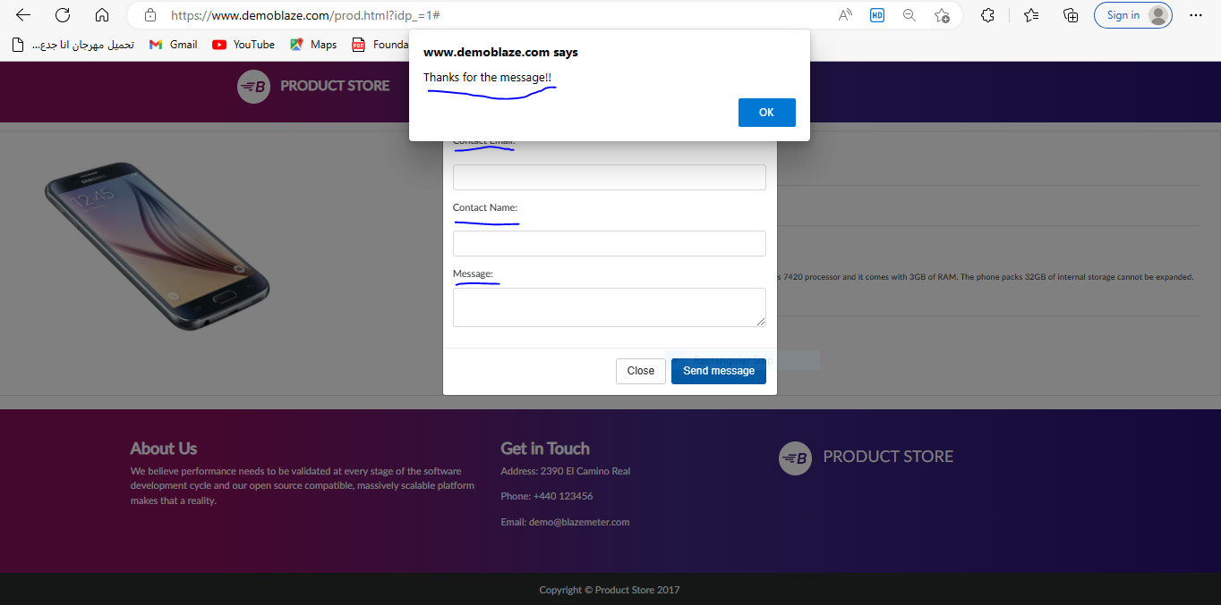 | Screenshot / Video |  | Screenshot / Video | 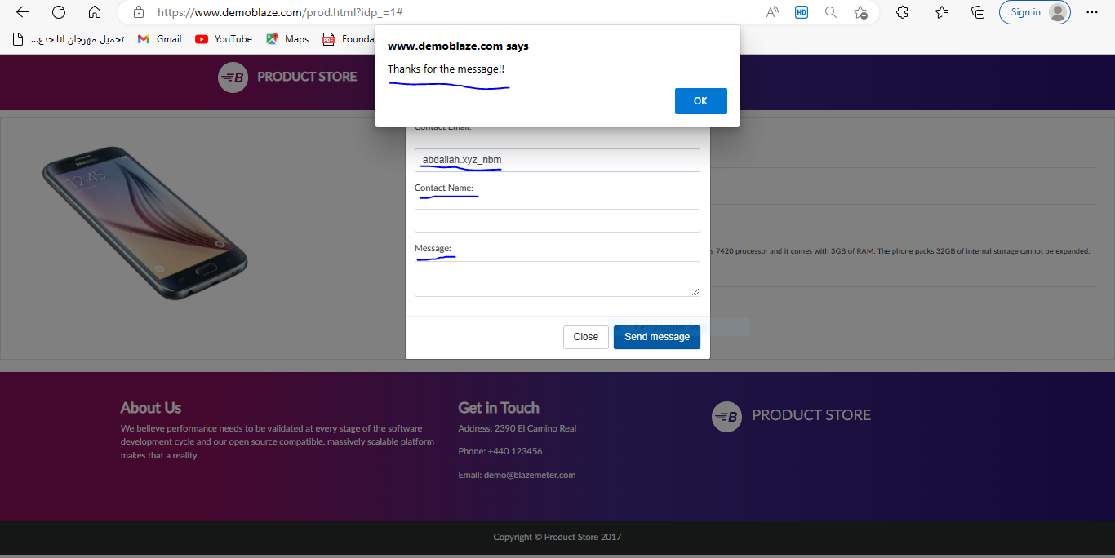 | Screenshot / Video | 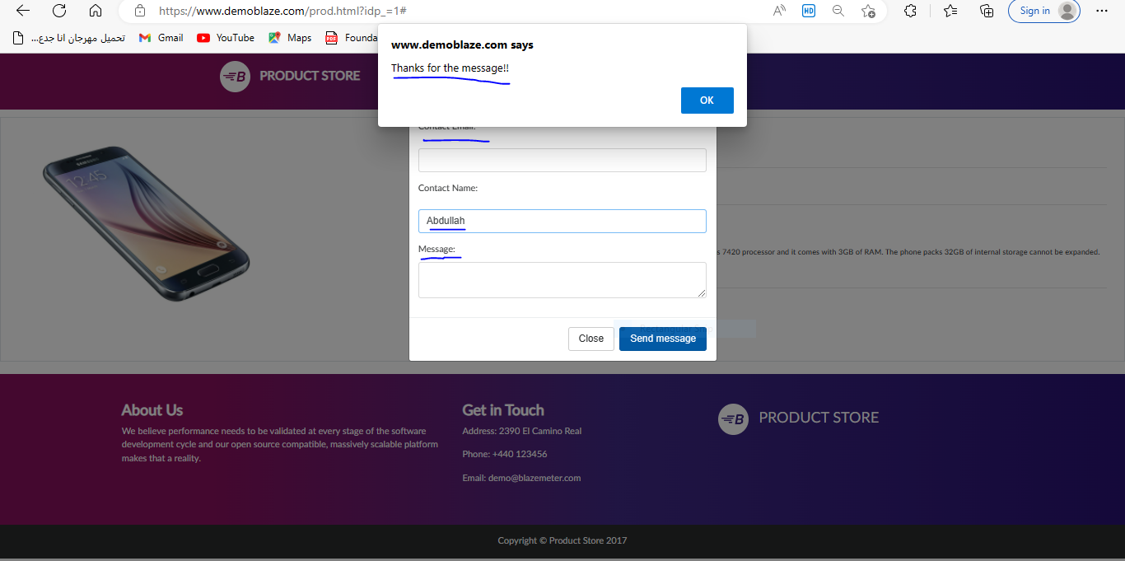 | Screenshot / Video | 
Rate | 2022-05-05 | Rate | 2022-05-05 | Rate | 2022-05-05 | Rate | 2022-05-05 | Rate | 2022-05-05
Priority | B | Priority | B | Priority | A | Priority | A | Priority | A
Status | New | Status | New | Status | New | Status | New | Status | New

Defect Report |  | Defect Report |  | Defect Report

Project Name | BOSTA TESTING TASK | Project Name | BOSTA TESTING TASK | Project Name | BOSTA TESTING TASK
Tester Name | Abdullah Ahmed | Tester Name | Abdullah Ahmed | Tester Name | Abdullah Ahmed
Date | 23-11-2022 | Date | 23-11-2022 | Date | 23-11-2022
User Story | Contact us | User Story | Contact us | User Story | Contact us
Test Suit | Entering input in Message Field | Test Suit | Entering input in Message Field | Test Suit | Entering input in all fields
Test ID | TC_019 | Test ID | TC_020 | Test ID | TC_022
Release | V.1.0 | Release | V.1.0 | Release | V.1.0
Title | Unexpected behavior when click send message button | Title | Unexpected behavior when click send message button | Title | Unexpected behavior when click send message button
Description | It happen when Entering valid input in Message field and make the other fields empty | Description | It happen when entering invalid input in Message field field and make the other fields empty | Description | It happen when entering valid input in Message field and make the other fields empty
Steps | 1- Go to contact. 2- Make the Contact Email empty. 3- Make the Contact Name empty 4- Fill the message with less than 500 characters. 5- Click the "Send message"button. | Steps | 1- Go to contact. 2- Make the Contact Email empty. 3- Make the Contact Name empty 4- Fill the message with more than 500 characters. 5- Click the "Send message"button. . | Steps | 1- Go to contact. 2- Fill the Contact Field with invalid mail. 3- Fill the Contact Name with invaild input. 4- Fill the message with more than 500 characters. 5- Click the "Send message"button.
Expected Results | Each field contain error message"mandatory Filed" execpt Message field | Expected Results | Each field contain error message"mandatory Filed" execpt Message field contain"invalid input" | Expected Results | Error message contain "invalid input"
Actual Result | message contains "Thanks for the message!!" | Actual Result | message contains "Thanks for the message!!" | Actual Result | message contains "Thanks for the message!!"
Environment | Chrome Version 107.0.5304.107 | Environment | Chrome Version 107.0.5304.107 | Environment | Chrome Version 107.0.5304.107
Screenshot / Video |  | Screenshot / Video | 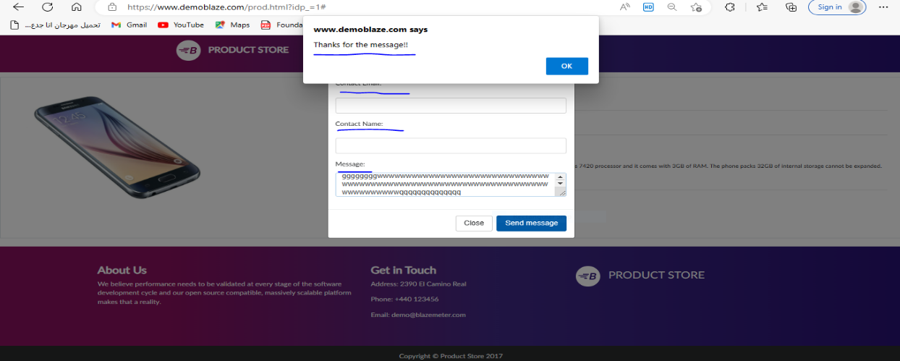 | Screenshot / Video | 
Rate | 2022-05-05 | Rate | 2022-05-05 | Rate | 2022-05-05
Priority | B | Priority | B | Priority | B
Status | New | Status | New | Status | New

